Partner lang_age
Effect of partner language and age on frequency of prosocial response category in preschoolers
 |  | does not help or cooperate | helps or cooperates upon explicit verbal request by E2 | helps or cooperates upon nonverbal request by E1 | no request required, helps or cooperates upon expression of E1’s state of need
4-year-olds | Native | 1.8 | 26.6 | 38.5 | 33.0
 | Foreign | 12.6 | 22.1 | 38.9 | 26.3
5-year-olds | Native | 5.1 | 17.0 | 43.9 | 34.0
 | Foreign | 6.9 | 33.0 | 39.1 | 21.0

Task type
Effect of task type on frequency of prosocial response category in preschoolers

 | does not help or cooperate | helps or cooperates upon explicit verbal request by E2 | helps or cooperates upon nonverbal request by E1 | no request required, helps or cooperates upon expression of E1’s state of need
Helping tasks | 1.8 | 24.8 | 29.7 | 43.6
Cooperation tasks | 8.4 | 35.9 | 38.2 | 17.5

Binary analyses (not in ms)
Age | Condition | Task type | Reluctant | Helpful/cooperative

Frequency of helping-cooperative behaviour across partner language conditions and age groups
4yr | Native | Helping task | 44 | 56
 |  | Cooperating task | 26 | 74
 | Foreign | Helping task | 45 | 55
 |  | Cooperating task | 14 | 86
5yr | Native | Helping task | 44 | 56
 |  | Cooperating task | 79 | 21
 | Foreign | Helping task | 70 | 30
 |  | Cooperating task | 91 | 9

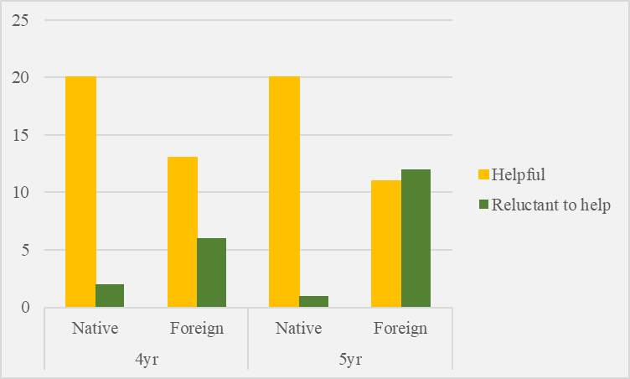
Cond * HelpCategory * Age Crosstabulation
 |  | Helpful | Reluctant to help
4yr | Native | 20 | 2
 | Foreign | 13 | 6
5yr | Native | 20 | 1
 | Foreign | 11 | 12
 |  | n=85

