pAbe229-114
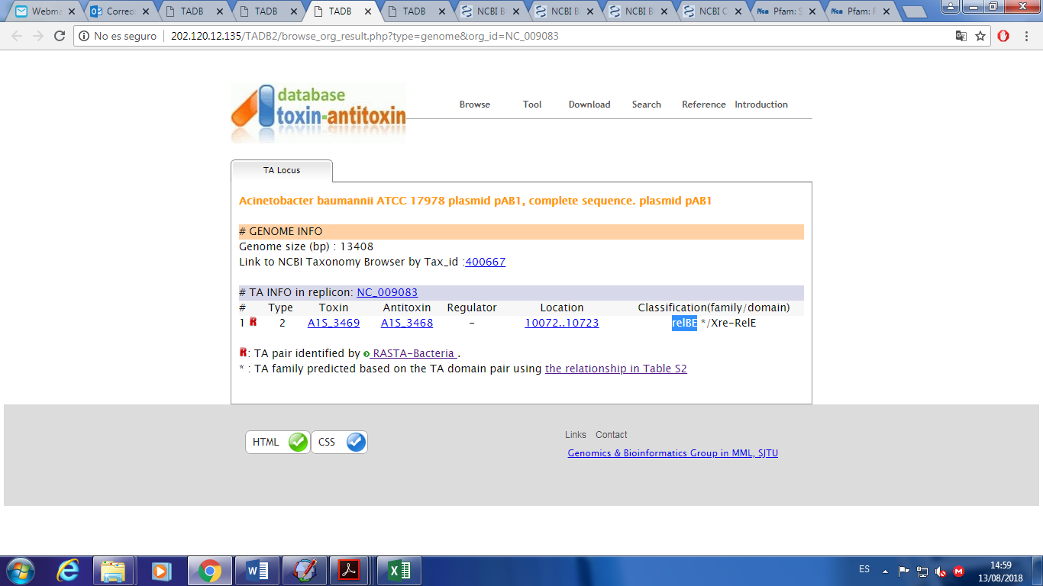
S2 Table. Genes codified in HPC229 plasmids
Order | Gene/Feature | Location (nucleotide) |  | DNA strand | Closest BlastP-match in NCBI databases
 |  |  |  |  | Assigned function | Microorganism and/or plasmid | Subject protein
 |  | Start | Stop |  |  |  | Length (amino acid residues) | Amino acid identitya (accession number)
1 | repB | 354 | 1.526 | + | Initiator replication protein | A. ursingii UMB1319, A. nosocomialis 2010S01-197 | 390 | 100% (WP_043972782.1)
2 | orf2 | 2.643 | 1.795 | - | Hypothetical protein | A. ursingii UMB1319 | 282 | 100% (PMC95989.1)
3 | orf3 | 2.745 | 2.924 | + | Hypothetical protein | A. ursingii UMB1319 | 59 | 100% (PMC95988.1)
4 | orf4 | 3.213 | 4.361 | + | Hypothetical protein | A. ursingii UMB1319 | 382 | 100% (PMC95987.1)
5 | tnpA | 5.302 | 4.373 | - | Mobile element protein | A. ursingii UMB1319 | 309 | 100% (PMC95986.1)
6 | orf6 | 5.331 | 5.507 | + | Hypothetical protein | A. johnsonii S2_018_000_R3_109 | 57 | 93% (PZO89185.1)
7 | orf7 | 6.059 | 5.721 | - | Hypothetical protein | A. ursingii UMB1319, A. johnsonii S2_018_000_R3_109 | 112 | 100% ( WP_058971435.1)
8 | orf8 | 6.882 | 6.550 | - | Transcriptional regulator, XRE family | A. ursingii UMB1319, A. johnsonii S2_018_000_R3_109 | 110 | 100% (WP_058971433.1)
9 | ΔtnpA | 6.914 | 7.255 | + | Mobile element protein | A. baumannii WC-A-92 | 124 | 99% (ELW85486.1)
10 | cadR-like | 8.270 | 7.878 | - | Transcriptional regulator CadR-like | Acinetobacter spp. | 130 | 100% (WP_004281856.1)
11 | cadA-like | 8.349 | 9.641 | + | Cobalt-zinc-cadmium resistance protein | A. radioresistens SH164 | 430 | 99% (EEY85464.1)
12 | feoA | 9.653 | 9.910 | + | Ferrous iron transport protein A | A. johnsonii XBB1 | 85 | 100% (ALV71632.1)
13 | feoB | 9.900 | 11.729 | + | Ferrous iron transport protein B | A. johnsonii XBB1 | 609 | 99% (ALV71631.1)
14 | acr3 | 12.808 | 11.852 | - | Arsenical-resistance protein ACR3 | Acinetobacter spp. | 318 | 99% (WP_004665958.1)
15 | orfA | 12.895 | 13.257 | + | Mobile element protein | Acinetobacter spp. | 105 | 100% (WP_002045130.1)
16 | orfB | 13.257 | 14.174 | + | Mobile element protein | A. indicus IHIT33295 | 321 | 97% ( WP_104495087.1)
17 | cusF | 14.732 | 14.367 | - | Periplasmic copper- and silver-binding protein CusF | Acinetobacter spp. | 121 | 95% (WP_004726733.1)
18 | cusA | 17.912 | 14.766 | - | Copper/silver efflux system membrane protein CusA | Acinetobacter spp. | 1048 | 98% (WP_000561666.1)
19 | cusB | 19.425 | 17.926 | - | Copper/silver efflux system membrane fusion protein CusB | Acinetobacter spp. | 499 | 99% (WP_000945694.1)
20 | cusC | 20.444 | 19.425 | - | Copper/silver efflux system, outer membrane component CusC | Acinetobacter spp. | 339 | 96% (WP_005079043.1)
21 | hipA | 22.343 | 21.078 | - | HipA toxin of the HipAB TA system | Acinetobacter spp. | 421 | 100% (WP_000934717.1)
22 | hipB | 22.648 | 22.343 | - | HipB antitoxin of the HipAB TA system | Acinetobacter spp. | 101 | 100% (WP_000366814.1)
23 | orf23 | 23.825 | 23.568 | - | Hypothetical protein | Acinetobacter spp | 85 | 100% (WP_004726728.1)
24 | fic | 24.771 | 24.175 | - | Fic toxin of the YhfG-Fic TA system | Acinetobacter spp | 198 | 100% (WP_004826955.1)
25 | yhfG | 24.951 | 24.784 | - | YhfG antitoxin of the YhfG-Fic TA system | Acinetobacter spp | 55 | 100% (WP_002125865.1)
26 | orf26 | 25.706 | 28.045 | + | Hypothetical protein | A. ursingii UMB1319 | 779 | 100% (PMC95142.1)
27 | int | 28.050 | 31.250 | + | Site-specific Integrase | Acinetobacter spp | 1066 | 100% (WP_017396129.1)
28 | orf28 | 31.796 | 31.578 | - | Hypothetical protein | Acinetobacter spp | 72 | 100% (WP_004826949.1)
29 | umuC | 33.096 | 31.801 | - | Error-prone, lesion bypass DNA polymerase V (UmuC) | Acinetobacter spp | 431 | 100% (WP_004826947.1)
30 | umuD | 33.737 | 33.111 | - | Error-prone repair protein (UmuD) | Acinetobacter spp | 208 | 100% (WP_004826946.1)
31 | yedK | 34.490 | 33.849 | - | SOS-response-asociated peptidase | Acinetobacter spp | 213 | 100% (WP_002046584.1)
32 | irrE | 35.843 | 34.737 | - | Transcriptional regulator, XRE family | Acinetobacter spp | 368 | 100% (WP_000482094.1)
33 | orf33 | 36.566 | 35.856 | - | Hypothetical protein | Acinetobacter spp | 236 | 100% (WP_001052588.1)
34 | fadB | 37.591 | 39.744 | + | Fatty acid oxidation complex subunit alpha FadB | A. ursingii UMB1319 | 717 | 100% (PMC95251.1)
35 | fadA | 39.757 | 40.929 | + | Acetyl-CoA C-acyltransferase FadA | A. ursingii UMB1319 | 390 | 100% (PMC95250.1)
36 | orf36 | 42.332 | 41.790 | - | Hypothetical protein | A. lwoffii ED23-35 | 180 | 100% (APW48797.1)
37 | yciW | 42.997 | 42.443 | - | Alkylhydroperoxidase family enzyme | Acinetobacter spp | 184 | 99% (WP_043971153.1)
38 | orf38 | 43.835 | 45.046 | + | Hypothetical protein | Acinetobacter spp | 424 | 100% (WP_005006246.1)
39 | araC | 46.026 | 45.091 | - | Transcriptional regulator, AraC family | Acinetobacter spp | 311 | 100% (WP_005006248.1)
40 | msrA | 46.239 | 46.637 | + | Methionine-S-sulfoxide reductase, MsrA | Acinetobacter spp | 162 | 100% (WP_005006250.1)
41 | grxC-like | 46.665 | 46.901 | + | Glutaredoxin | Acinetobacter spp | 78 | 100% (WP_005006251.1)
42 | selR | 46.933 | 47.373 | + | Methionine-R-sulfoxide reductase, SelR | Acinetobacter spp | 146 | 100% (WP_005006253.1)
43 | msrA-like | 47.602 | 48.264 | + | Methionine-S-sulfoxide reductase, MsrA-like | Acinetobacter spp | 220 | 100% (WP_005028456.1)
44 | orf44 | 49.423 | 48.452 | - | Hypothetical protein | A. ursingii UMB1319 | 323 | 100% (PMC95242.1)
45 | orf45 | 50.194 | 49.793 | - | Bona fide RidA/YjgF/TdcF/RutC subgroup | Acinetobacter spp | 133 | 100% (WP_005028450.1)
46 | tnpA | 51.054 | 50.353 | - | Mobile element protein | Acinetobacter spp | 233 | 100% (WP_005005861.1)
47 | orf47 | 51.580 | 52.293 | + | Phosphoribosyl transferase domain containing protein | Acinetobacter spp | 237 | 100% (WP_001986287.1)
48 | int | 52.687 | 53.886 | + | Site-specific recombinase, phage integrase family | Acinetobacter spp | 399 | 100% (WP_000059658.1)
49 | hicB | 54.016 | 54.141 | + | HicB antitoxin of the HicAB TA system | Acinetobacter spp, Enterobacter sp. Ni15 | 73 | 100% (WP_001986288.1)
50 | nrpA | 54.654 | 54.394 | - | Nickel resistance protein NrpA | Acinetobacter spp | 86 | 100% (WP_017396126.1)
51 | nrpB | 54.840 | 55.061 | + | Transcriptional regulator NrpB for the nickel resistance response | Acinetobacter spp | 73 | 100% (WP_004658364.1)
52 | orfA | 55.472 | 55.708 | + | Mobile element protein | A. pittii ANC 3678 | 78 | 100% (WP_080631238.1)
53 | orfB | 55.829 | 55.966 | + | Mobile element protein | Acinetobacter sp. 1289694 | 45 | 100% (EXA84446.1)
54 | cadR | 56.620 | 56.213 | - | Transcriptional regulator CadR | Acinetobacter spp. | 135 | 99% (WP_001219642.1)
55 | cadA | 56.716 | 57.612 | + | Cobalt-zinc-cadmium resistance protein | Acinetobacter spp. | 298 | 100% (WP_009392494.1)
56 | ΔlspA | 57.718 | 58.101 | + | Lipoprotein signal peptidase | Acinetobacter spp. | 161 | 100% (WP_004827041.1)
57 | tnpA | 58.129 | 59.061 | + | Mobile element protein | Acinetobacter spp. | 310 | 99% (WP_000743262.1)
58 | orf58 | 59.261 | 59.590 | + | Hypothetical protein | Acinetobacter spp. | 109 | 99% (WP_004827037.1)
59 | orf59 | 59.937 | 60.422 | + | Hypothetical protein | Acinetobacter spp. | 161 | 100% (WP_004827035.1)
60 | orf60 | 60.379 | 61.593 | + | Hypothetical protein | A. bereziniae NIPH 3 | 404 | 100% (ENV23844.1)
61 | orf61 | 62.145 | 63.377 | + | ATPase component BioM of energizing module of biotin ECF transporter | Acinetobacter spp. | 410 | 100% (WP_001255534.1)
62 | orf62 | 63.978 | 63.649 | - | Serine protease | Acinetobacter spp. | 109 | 100% (WP_000506885.1)
63 | yafY | 64.220 | 65.053 | + | WYL domain-containing protein | Acinetobacter spp. | 288 | 100% (WP_004827030.1)
64 | brxA | 65.064 | 65.675 | + | BREX-1 system inner membrane protein BrxA | Acinetobacter spp. | 203 | 100% (WP_000892996.1)
65 | brxB | 65.692 | 66.267 | + | BREX-1 system cytoplasmic protein BrxB | Acinetobacter spp. | 201 | 100% (WP_004281985.1)
66 | brxC | 66.308 | 69.988 | + | BREX-1 system P-loop protein BrxC | Acinetobacter spp. | 1226 | 98% (WP_001021842.1)
67 | pglX | 70.035 | 73.523 | + | BREX-1 system adenine-specific DNA-methyltransferase PglX | A. ursingii UMB1319 | 1162 | 99% (PMC96553.1)
68 | pglZ | 73.567 | 76.191 | + | BREX-1 system phosphatase PglZ | Acinetobacter spp. | 874 | 98% (WP_005071458.1)
69 | brxL | 76.221 | 78.260 | + | BREX-1 system Lon protease-like protein BrxL | Acinetobacter spp. | 679 | 100% (WP_004827020.1)
70 | ΔtnpA | 78.585 | 78.361 | - | Mobile element protein | A. junii SH205, A. bereziniae NIPH 3 | 74 | 100% (WP_004827017.1)
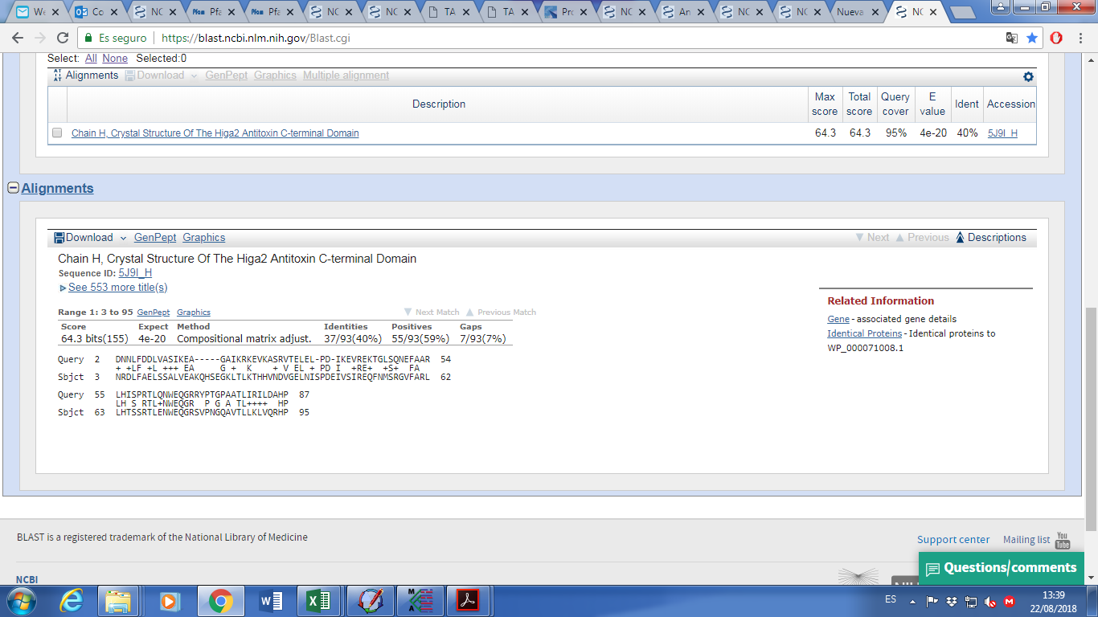
71 | orf71 | 79.528 | 78.818 | - | Hypothetical protein | Acinetobacter spp. | 236 | 100% (WP_004827016.1)
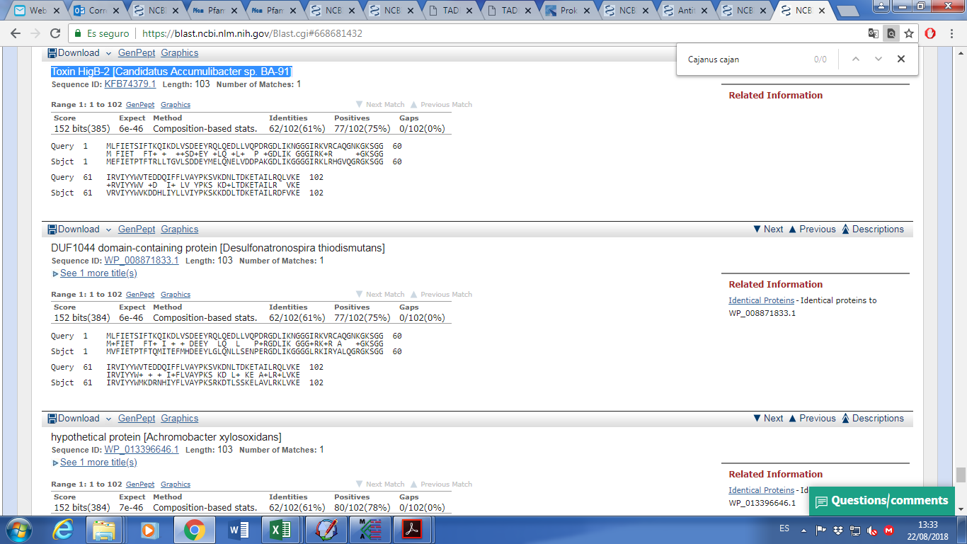
72 | orf72 | 80.232 | 79.510 | - | Hypothetical protein | Acinetobacter spp. | 240 | 100% (WP_004827012.1)
73 | marR | 80.876 | 80.229 | - | MarR family transcriptional regulator | Acinetobacter spp. | 215 | 100% (WP_004827010.1)
74 | higA2 | 81.696 | 81.424 | - | HigA2 antitoxin of the type II TA system | Acinetobacter spp. | 90 | 100% (WP_000369781.1)
75 | higB2 | 82.009 | 81.689 | - | HigB2 toxin of the type II TA system | Acinetobacter spp. | 106 | 100% (WP_058971762.1)
76 | orf76 | 82.176 | 82.436 | + | Hypothetical protein | A. ursingii UMB1319 | 86 | 100% (PMC96545.1)
77 | orf77 | 82.575 | 82.889 | + | Hypothetical protein | Acinetobacter spp. | 104 | 100% (WP_058971764.1)
78 | tnpA | 83.442 | 84.773 | + | Mobile element protein | A. ursingii UMB1319 | 439 | 100% (PMC96541.1)
79 | ΔtnpA | 85.025 | 84.888 | - | Mobile element protein | A. baumannii AC002 | 45 | 100% (PCN85022.1)
80 | sdhC | 85.123 | 85.497 | + | Succinate dehydrogenase cytochrome b-556 subunit | Acinetobacter spp. | 124 | 100% (WP_005005993.1)
81 | grxC | 87.415 | 87.143 | - | Glutaredoxin 3 | Acinetobacter spp. | 90 | 100% (WP_005005995.1)
82 | fnr | 88.615 | 87.869 | - | Flavodoxin reductases (ferredoxin-NADPH reductases) family 1 | Acinetobacter spp. | 248 | 100% (WP_002118292.1)
83 | yuiH | 89.255 | 88.608 | - | Sulfite oxidase and related enzymes | A. nosocomialis WC-487 | 215 | 100% (EKU58237.1)
84 | orf84 | 89.678 | 90.148 | + | Thiol-disulfide isomerase | P. aeruginosa HIAE_PA13 | 156 | 100% (PTZ28688.1)
85 | orf85 | 91.257 | 90.826 | - | Heme-binding protein | K. pneumoniae MGH90 | 146 | 99% (KMG76643.1)
86 | qor5 | 92.343 | 91.330 | - | Bifunctional protein: zinc-containing alcohol dehydrogenase; quinone oxidoreductase (NADPH:quinone reductase) | Acinetobacter spp. | 337 | 100% (WP_002118279.1)
87 | orf87 | 92.419 | 92.586 | + | Hypothetical protein | Acinetobacter sp. 694762 | 55 | 100% (EXI09684.1)
88 | corA | 93.759 | 92.791 | - | Magnesium and cobalt transport protein CorA | Acinetobacter spp. | 322 | 100% (WP_011979111.1)
89 | gstA | 94.460 | 93.756 | - | Glutathione S-transferase | Acinetobacter spp. | 234 | 100% (WP_003464969.1)
90 | msrA2 | 95.140 | 94.601 | - | Methionine-S-sulfoxide reductase, MsrA2 | Acinetobacter spp. | 179 | 100% (WP_003464967.1)
91 | selR-like | 95.585 | 95.142 | - | Methionine-R- sulfoxide reductase, SelR-like | Acinetobacter spp. | 147 | 100% (WP_003464965.1)
92 | orfA | 96.909 | 96.106 | - | Accessory transposition gene | Acinetobacter spp. | 267 | 100% (WP_010454871.1)
93 | orfB | 98.392 | 96.902 | - | Mobile element protein | Acinetobacter spp. | 499 | 100% (WP_024012635.1)
94 | traM | 99.024 | 98.590 | - | IncP-type DNA transfer protein TraM | Uncultured bacterium pQKH54 | 144 | 96% (CAJ43281.1)
95 | traL | 99.761 | 99.036 | - | IncP-type DNA transfer protein TraL | Uncultured bacterium pQKH54 | 241 | 97% (CAJ43361.1)
96 | traK | 100.189 | 99.761 | - | IncP-type oriT binding protein TraK | Uncultured bacterium pQKH54 | 142 | 91% (CAJ43360.1)
97 | traJ | 100.535 | 100.891 | + | IncP-type oriT binding protein TraJ | Uncultured bacterium pQKH54 | 118 | 98% (CAJ43359.1)
98 | ΔtraI | 100.926 | 103.001 | + | IncP-type DNA relaxase TraI | Uncultured bacterium pQKH54 | 691 | 92% (CAJ43356.1)
99 | ΔtnpA | 103.065 | 103.211 | + | Mobile element protein | Acinetobacter spp. | 48 | 100% (WP_005028587.1)
100 | tnpA | 103.208 | 104.140 | + | Mobile element protein | Acinetobacter spp. | 310 | 99% (WP_002114401.1)
101 | gshR | 105.688 | 104.336 | - | Glutathione reductase | Acinetobacter spp. | 450 | 100% (WP_002122354.1)
102 | ΔtnpA | 106.399 | 105.767 | - | Mobile element protein | A. radioresistens 50v1 | 228 | 100% (PKD86752.1)
103 | orfA | 106.505 | 107.074 | + | Mobile element protein | Acinetobacter sp. LCT-H3 | 189 | 100% (OIJ35007.1)
104 | orfB | 107.161 | 107.595 | + | Mobile element protein | Acinetobacter spp. | 144 | 100% (WP_000780881.1)
105 | higB | 108.242 | 108.436 | + | HigB toxin of the HigAB TA system | Acinetobacter spp. | 118 | 100% (WP_004668307.1)
106 | higA | 108.429 | 108.731 | + | HigA antitoxin of the HigAB TA system | Acinetobacter spp. | 100 | 100% (WP_001140620.1)
107 | tnpA | 108.852 | 110.003 | + | Mobile element protein | A. ursingii UMB1319 | 383 | 100% (WP_058971770.1)
108 | ΔtnpA | 110.378 | 110.764 | + | Mobile element protein | A. baumannii ACM-14 | 128 | 99% (WP_107681061.1)
109 | ΔphoA | 111.604 | 110.768 | - | Alkaline phosphatase | A. ursingii UMB1319, A. nosocomialis 2010S01-197 | 278 | 100% (WP_043972776.1)
110 | parB | 112.652 | 111.753 | - | Partitioning protein ParB | Acinetobacter spp. | 299 | 99% (WP_016165153.1)
111 | parA | 113.447 | 112.671 | - | Partitioning protein ParA | Acinetobacter spp. | 258 | 100% (WP_004942653.1)
aThe BlastP algorithm was used to search for protein similarities in GenBank databases. The criteria used to define amino acid sequence homology to those indicated by the corresponding accession numbers was the BlastP best hit at the NCBI databases.

