S1
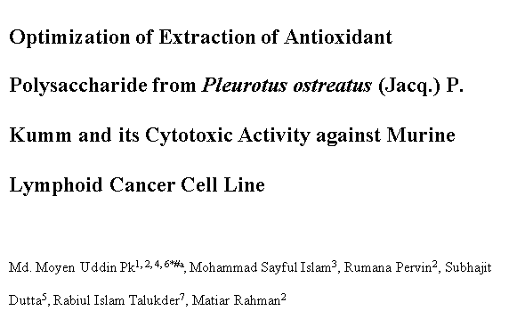

Supporting Information S1 Dataset: Impacts of three variables for the POP extraction

 | A | Water to Raw Material ratio |  |  |  |  |  | B | Extraction Time (Min.) |  |  |  |  |  | C | Extraction Temp. (oC)

 |  | Water to raw material ratio (mL/mg) | % POP yield1 | %POP yield2 | %POP yield3 | Mean of %POP yield | SD |  | Extraction Time (Min.) | %POP yield1 | %POP yield2 | %POP yield3 | Mean of % POP yield | SD |  | Extraction Temp. (oC) | %POP yield1 | %POP yield2 | %POP yield3 | Mean of %POP yield | SD
 |  | 15 | 3.57 | 3.56 | 3.59 | 3.57 | 0.015275252317 |  | 40 | 3.429 | 3.455 | 3.436 | 3.44 | 0.013453624047 |  | 50 | 3.567 | 3.476 | 3.419 | 3.49 | 0.074648063159
 |  | 20 | 4.32 | 4.28 | 4.31 | 4.30 | 0.020816659995 |  | 50 | 4.406 | 4.327 | 4.309 | 4.35 | 0.051597803571 |  | 60 | 4.035 | 4.02 | 4.02 | 4.02 | 0.0086602540378
 |  | 25 | 5.2 | 5.21 | 5.23 | 5.21 | 0.015275252317 |  | 60 | 5.209 | 5.26 | 5.227 | 5.23 | 0.025865034313 |  | 70 | 5.422 | 5.214 | 5.209 | 5.28 | 0.12155794229
 |  | 30 | 4.34 | 4.39 | 4.36 | 4.36 | 0.025166114784 |  | 70 | 4.56 | 4.3 | 4.55 | 4.47 | 0.14730919863 |  | 80 | 4.543 | 4.345 | 4.534 | 4.47 | 0.11180787092

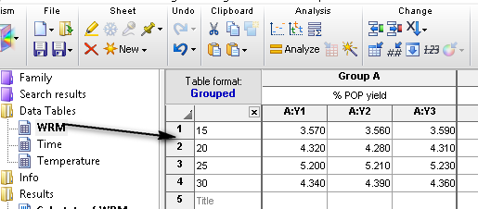
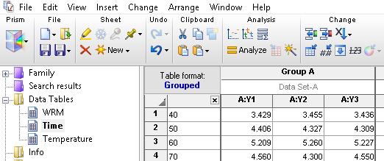
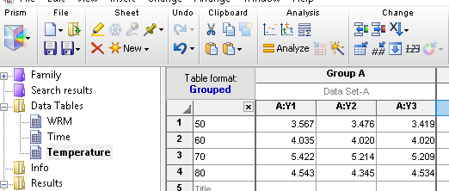

 |  | POP: Pleurotus ostreatus Polysaccharide

 |  | SD: Standard Deviation

