Denmark landings
Sparrevohn & Storr-Paulsen 2010 - Actually 2010/11 numbers
Area | Tonnes harvested | No. released
Eastern Baltic | 1.5 | 3437
Arkona Sea | 9.4 | 2494
Belt Sea | 50 | 15750
The Sound | 12.1 | 4426
Kattegat | 22.1 | 9986
Limjjorden | 13.8 | 7739
Skagerrak | 6.6 | 6029
North Sea | 0.8 | 804

North Sea retained wt | North Sea released No
43.3 | 28984
Baltic Sea retained wt | Baltic Sea released No
73 | 26107

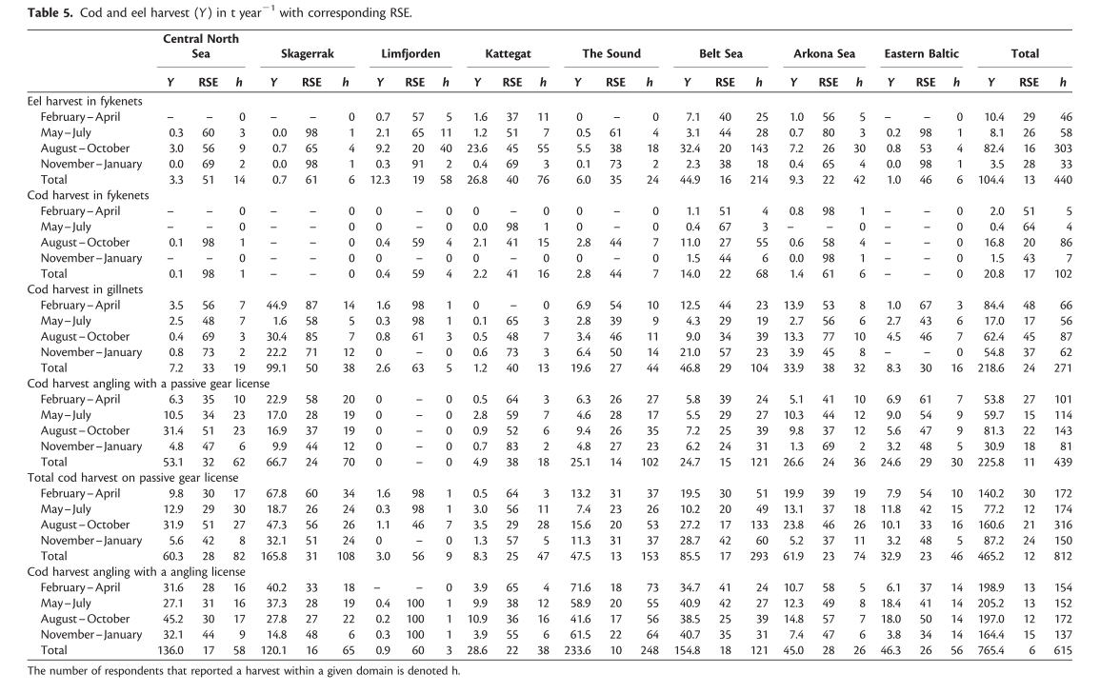
Sparrevohn & Storr-Paulsen 2012 - Actually 2009 numbers
Area | Tonnes harvested | No. released
Eastern Baltic | 1
Arkona Sea | 9.3
Belt Sea | 44.9
The Sound | 6
Kattegat | 26.8
Limjjorden | 12.3
Skagerrak | 0.7
North Sea | 3.3

North Sea retained wt | North Sea released No
43.1 | NA
Baltic Sea retained wt | Baltic Sea released No
61.2 | NA

