France angler population
Participation rate | 0.0206 | Hyder et al. 2018 |  | Pop source | Insee (2017)
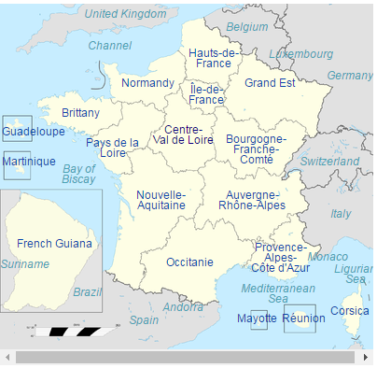
Area | Population 2015 | No. of fishers | Region
Île-de-France | 12073914 | 248723 | Inland
Auvergne-Rhône-Alpes | 7874586 | 162216 | Inland
Hauts-de-France | 6006853 | 123741 | Channel
Nouvelle-Aquitaine | 5904843 | 121640 | Biscay
Occitanie | 5791865 | 119312 | Med
Grand Est | 5560405 | 114544 | Inland
Provence-Alpes-Côte d'Azur | 4989435 | 102782 | Med
Pays de la Loire | 3716068 | 76551 | Biscay
Normandy | 3334657 | 68694 | Channel
Brittany (Chan) | 1647151 | 33931 | Channel
Brittany (Bisc) | 1647151 | 33931 | Biscay
Bourgogne-Franche-Comté | 2821042 | 58113 | Inland
Centre-Val de Loire | 2582374 | 53197 | Inland
Réunion | 843529 | 17377 | Island
Guadeloupe | 400132 | 8243 | Island
Martinique | 378243 | 7792 | Island
Corsica | 326898 | 6734 | Med
French Guiana | 254541 | 5244 | Colony
Mayotte | 226915 | 4674 | Island

Zeilenbeschriftungen | Sum of No. of fishers
Biscay | 232122
Channel | 226366
Inland | 636793
Med | 228828
Island | 38086
Colony | 5244
Gesamtergebnis | 1367439

