legend
zahnid | individual tooth number
stat | intraalveolar positon of selected slide =1, mid alveolar positon of selected slide =2, extralveolar positon of selected slide =3
zp | tooth position according to modified Triadan
za | age of tooth post eruption in years
lok | horizontal slide levels, apical = 0 mm, every 10 mm up to 99( most occlusal slide) | slice of upper cheek teeth with different selected areas /substances | slice of lower cheek teeth with different selected areas /substances
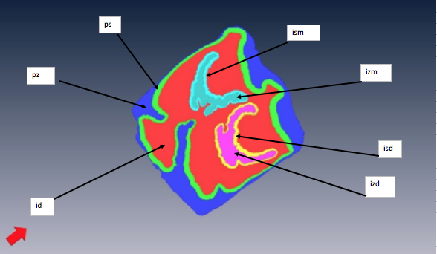
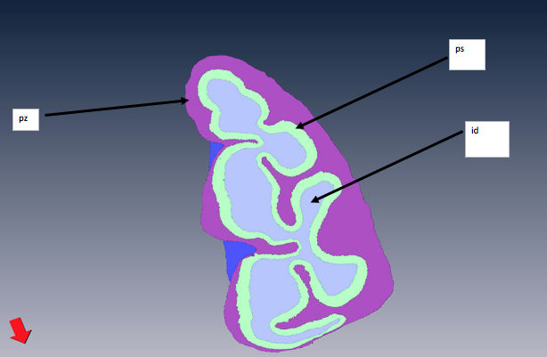
pS | peripheral enamel in mm²
pz | peripheral cementum in mm²
isd | infundibular enamel distal in mm²
izd | cementum/area of distal infundibulum in mm²
ism | infundibular enamel mesial in mm²
izm | cementum/area of mesial infundibulum in mm²
id | dentine in mm²
ges | total area, sum of all indiviudual areas in mm²
s_ges | total enamel, sum of peripheral enamel and infundibular enamel( ps + isd+ izd)
infun | infundibula, sum of infundibular enamel and infundibular cementum ( isd + ism + izm + izd)

* | no availiable subtance/area could be chosen on selected slide

 |  | localisation of selected slide in mm along tooth axis
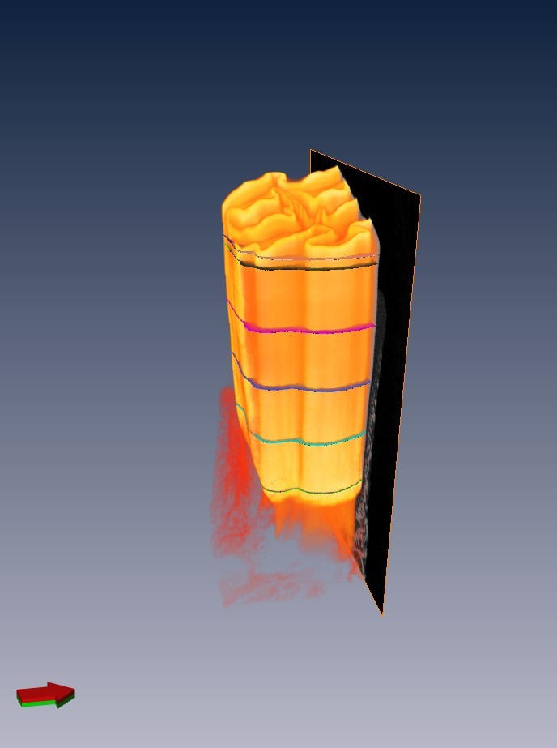

99 =most occlusal slide

apical to occlusal

20

10

0=
mos apical slide

