New Figure 4
Kaplan-Meier Analysis of Time to TKR (All TKR patients with HA treatments)

 |  |  |  | Median Time to TKR
 | Log-rank Test |  |  | Therapy between OA to TKR | Median Time to TKR (days) | %95 CI Lower | %95 CI Upper
 | Therapy between OA to TKR | Chi-square | P-value | HA patients | 484 | 479 | 489
 | HA patients vs. non HA patients | 19769.1 | <.0001 | non HA patients | 114 | 113 | 116

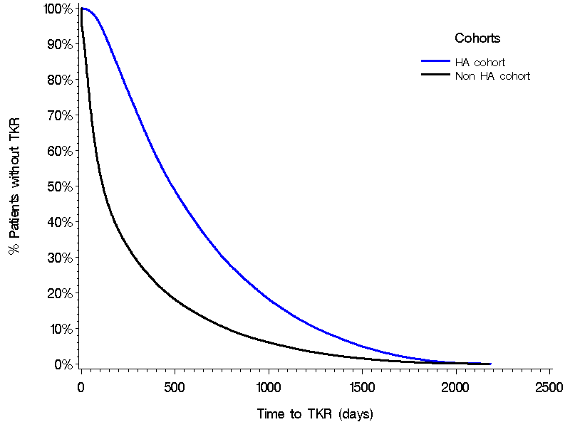

 |  |  |  | Time (yr) | Survival rate (proportion with no TKR)
 |  |  |  |  | Non-HA patients | HA patients
 |  |  |  | 0.5 | 39.610 | 85.540
 |  |  |  | 1.0 | 24.930 | 62.890
 |  |  |  | 1.5 | 16.530 | 45.200
 |  |  |  | 2.0 | 11.240 | 32.110
 |  |  |  | 2.5 | 7.510 | 22.500
 |  |  |  | 3.0 | 4.970 | 15.280
 |  |  |  | 3.5 | 3.080 | 9.830
 |  |  |  | 4.0 | 1.810 | 5.970
 |  |  |  | 4.5 | 0.911 | 3.120
 |  |  |  | 5.0 | 0.371 | 1.290
 |  |  |  | 5.5 | 0.093 | 0.270
 |  |  |  | 6.0 | 0.002 | 0.014

New Figure 5
Kaplan-Meier Analysis of Time to TKR (All TKR patients with HA treatments)

 |  |  |  | Median Time to TKR
 | Log-rank Test |  |  | Therapy between OA to TKR | Median Time to TKR (days) | %95 CI Lower | %95 CI Upper
 | Therapy between OA to TKR | Chi-square | P-value | HA 1 course | 386 | 383 | 391
 | HA 1 course vs. non HA patients | 13724.6 | <.0001 | HA 2 courses | 648 | 639 | 658
 | HA 2 courses vs. non HA patients | 18138.7 | <.0001 | HA 3 courses | 875 | 856 | 899
 | HA 3 courses vs. non HA patients | 19363.5 | <.0001 | HA 4 courses | 1054 | 1030 | 1082
 | HA 4 courses vs. non HA patients | 19664.4 | <.0001 | HA 5 courses | 1312 | 1278 | 1347
 | HA 5 courses vs. non HA patients | 19934.6 | <.0001 | Non HA patients | 114 | 113 | 116

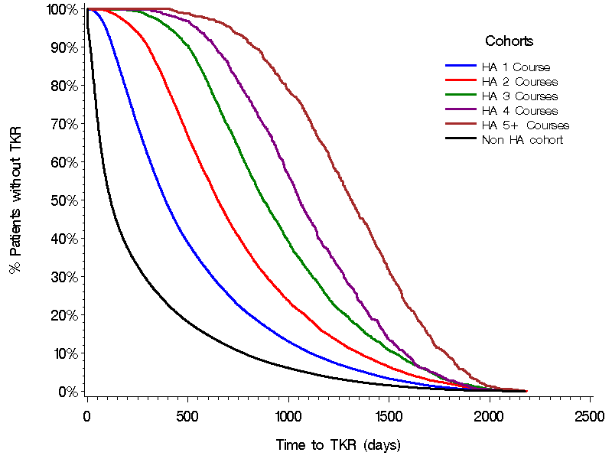

 |  |  |  | Time (yr) | Survival rate (proportion without TKR)
 |  |  |  |  | 0 course | 1 course | 2 courses | 3 courses | 4 courses | 5+ courses
 |  |  |  | 0.5 | 39.610 | 80.960 | 97.110 | 99.860 | 99.990 | 100
 |  |  |  | 1.0 | 24.930 | 53.420 | 84.020 | 96.840 | 99.240 | 100
 |  |  |  | 1.5 | 16.530 | 35.500 | 61.970 | 86.700 | 95.250 | 98.030
 |  |  |  | 2.0 | 11.240 | 24.100 | 42.920 | 67.120 | 83.370 | 94.610
 |  |  |  | 2.5 | 7.510 | 16.370 | 29.190 | 47.860 | 67.780 | 85.920
 |  |  |  | 3.0 | 4.970 | 10.720 | 19.990 | 32.630 | 47.240 | 73.160
 |  |  |  | 3.5 | 3.080 | 6.780 | 12.560 | 20.910 | 31.460 | 55.390
 |  |  |  | 4.0 | 1.810 | 4.010 | 7.690 | 13.010 | 18.540 | 37.500
 |  |  |  | 4.5 | 0.911 | 2.110 | 4.070 | 6.930 | 7.790 | 20.920
 |  |  |  | 5.0 | 0.371 | 0.836 | 1.910 | 2.690 | 2.760 | 8.820
 |  |  |  | 5.5 | 0.093 | 0.160 | 0.472 | 0.647 | 0.475 | 1.580
 |  |  |  | 6.0 | 0.002 | 0.003 | 0.045 | 0.000 | 0.095 | 0.132

Tab3_TKR
Table 1. Demographic and Clinical Characteristics (TKR patients)

Demographic descriptors | HA Patients |  | Non-HA Group |  | P-Value
 | N=50,349 |  | N=131,673

Age (n,%):
18-44 years | 1,713 | 3.4% | 2,966 | 2.3% | <.0001
45-54 | 12,193 | 24.2% | 23,563 | 17.9%
55-64 | 24,034 | 47.7% | 63,540 | 48.3%
65+ | 12,409 | 24.6% | 41,604 | 31.6%

Mean | 59.7 |  | 61.5 |  | <.0001
SD | 8.9 |  | 8.9

Gender (n,%):
Male | 19,386 | 38.5% | 57,628 | 43.8% | <.0001

Payer Type (n,%):
Commercial Plan | 29,770 | 59.1% | 79,036 | 60.0% | <.0001
Medicaid | 241 | 0.5% | 884 | 0.7%
Medicare Risk | 1,759 | 3.5% | 6,348 | 4.8%
Charlson Comorbidity Score
Medicare Cost | 934 | 1.9% | 2,973 | 2.3%
Self-Insured | 17,328 | 34.4% | 41,708 | 31.7%
Unknown | 317 | 0.6% | 724 | 0.5%

Geographic Region (n,%):
Northeast | 13,032 | 25.9% | 29,833 | 22.7% | <.0001
Midwest | 18,399 | 36.5% | 48,035 | 36.5%
South | 13,767 | 27.3% | 36,798 | 27.9%
West | 5,151 | 10.2% | 17,007 | 12.9%

Physician Specialty (n,%):
Orthopedic Surgery | 22,051 | 43.8% | 59,547 | 45.2% | <.0001
GP/FP/IM | 5,212 | 10.4% | 13,436 | 10.2%
Orthopedics | 3,486 | 6.9% | 9,376 | 7.1%
Rehabilitation Medicine | 950 | 1.9% | 1,416 | 1.1%
Rheumatology | 722 | 1.4% | 838 | 0.6%
Other | 17,928 | 35.6% | 47,060 | 35.7%

Charlson Comorbidity Score (n,%):
0 | 32,992 | 65.5% | 84,797 | 64.4% | <.0001
1 | 9,036 | 17.9% | 23,943 | 18.2%
2 | 5,134 | 10.2% | 13,789 | 10.5%
3 | 1,837 | 3.6% | 5,189 | 3.9%
4+ | 1,350 | 2.7% | 3,955 | 3.0%

Mean | 0.6 |  | 0.7 |  | <.0001
SD | 1.1 |  | 1.1
Median | 0 |  | 0

1st quartile | 0 |  | 0
3rd quartile | 1 |  | 1

Comorbidities of Interest (n,%):
Hypertension | 22,991 | 45.7% | 61,494 | 46.7% | <.0001
Hyperlipidemia | 21,236 | 42.2% | 53,197 | 40.4% | <.0001
Diabetes | 8,251 | 16.4% | 23,443 | 17.8% | <.0001
Schizophrenia | 54 | 0.1% | 105 | 0.1% | 0.0756
Major depression | 1,534 | 3.0% | 3,171 | 2.4% | <.0001
Bipolar disorder | 473 | 0.9% | 984 | 0.7% | <.0001
Vascular disease | 12,479 | 24.8% | 33,568 | 25.5% | 0.0019
Liver disease | 1,238 | 2.5% | 2,764 | 2.1% | <.0001
Renal disease | 2,563 | 5.1% | 7,092 | 5.4% | 0.0118
Substance abuse disorder | 1,569 | 3.1% | 3,921 | 3.0% | 0.1225
COPD | 1,687 | 3.4% | 4,707 | 3.6% | 0.0201
Anemia | 3,254 | 6.5% | 8,572 | 6.5% | 0.7149

Medications of Interest (n,%):
Corticosteroids | 14,296 | 28.4% | 27,407 | 20.8% | <.0001
NSAIDS | 14,112 | 28.0% | 29,953 | 22.7% | <.0001
Cox-2 Inhibitors | 3,149 | 6.3% | 6,977 | 5.3% | <.0001
Analgesics Non-Narcotic | 619 | 1.2% | 1,229 | 0.9% | <.0001
Opioids | 17,763 | 35.3% | 40,980 | 31.1% | <.0001
Anti-Inflammatory Analgesics (non-NSAID) | 149 | 0.3% | 290 | 0.2% | 0.0032
H2 blocker | 1,056 | 2.1% | 2,521 | 1.9% | 0.012
PPI | 9,271 | 18.4% | 20,876 | 15.9% | <.0001

Pre-index resource utilization | 49.2 |  | 43.1 |  | <.0001
Pre-index healthcare costs | 7,624.9 |  | 6,792.2 |  | <.0001

Note: The demographic and dlinical characteristics were provided on or before first OA date. The grouping of TKR patients: HA and non HA, was based on the drug usage between first OA date and TKR date.

Table 7c
Table 7c. Kaplan-Meier Analysis of Time to TKR (Main cohorts: All HA users, N=50,389)

 | Log-rank Test
 | Index Therapy | Chi-square | P-value
 | HA 2 courses vs. HA 1 course | 366.6 | <.0001
 | HA 3 courses vs. HA 1 course | 591.9 | <.0001
 | HA 4 courses vs. HA 1 course | 657.6 | <.0001
 | HA 5+ courses vs. HA 1 course | 681.3 | <.0001

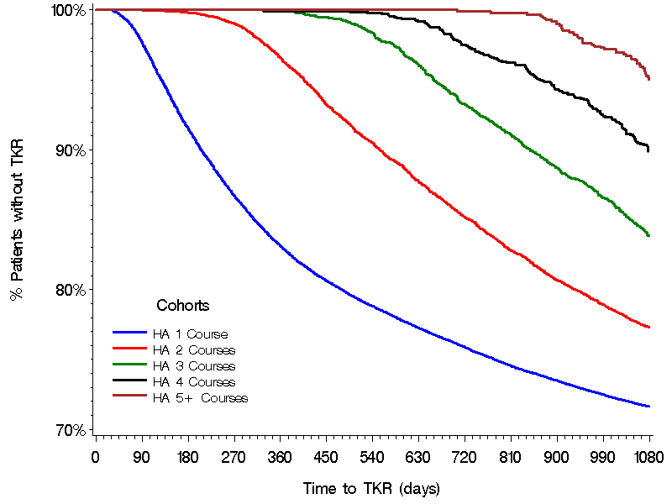

 |  |  |  |  | Survival rate (proportion without TKR)
 |  |  |  | Time (yr) | 1 course | 2 courses | 3 courses | 4 courses | 5+ courses
 |  |  |  | 0.5 | 0.915 | 0.998 | 1 | 1 | 1
 |  |  |  | 1 | 0.8312 | 0.9658 | 0.9997 | 0.9993 | 1
 |  |  |  | 1.5 | 0.788 | 0.9046 | 0.9833 | 0.9978 | 1
 |  |  |  | 2 | 0.7587 | 0.8514 | 0.9321 | 0.9749 | 0.9989
 |  |  |  | 2.5 | 0.7349 | 0.8068 | 0.8871 | 0.9431 | 0.9899
 |  |  |  | 3 | 0.7163 | 0.773 | 0.8383 | 0.8988 | 0.9504

