Ref2_USD_Exchange_Rate
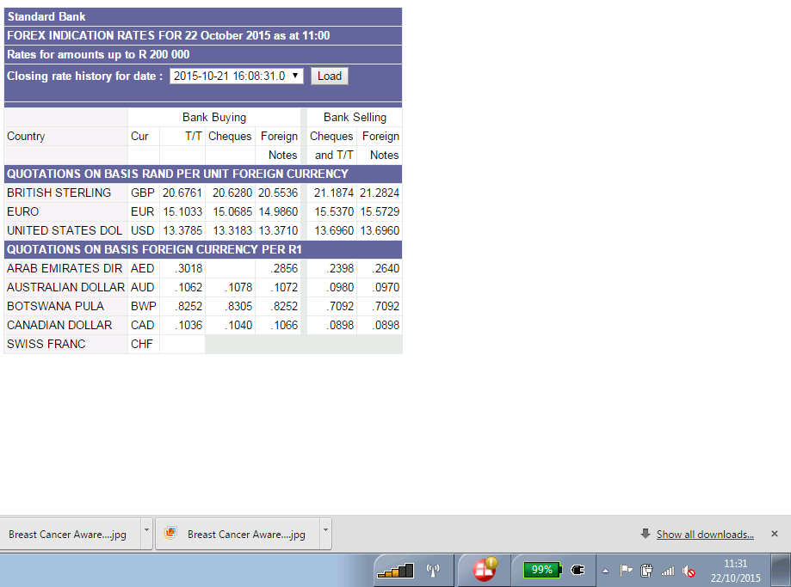

13.696

